Bug_1
Bug ID |  | TC ID
Bug Summary | User can Book a ride from the past | Bug Status | Open
Bug Severity | High | Bug Priority | To be decided by the business analyst

S # | Test Environment: |  | Note: This case is happening with random routes but on a consistent basis for the route with the issue
1 | Android device(Android version:10)
2 | App Build (Production Build: V6.11.0 )

S # | Prerequisites:
1 | User is logged in to "Swvl" App

Step # | Step Detail: |  | Expected Results | Actual Results
1 | Open “Swvl” App |  | * User should land on Swvl "Home page" | As Expected
2 | Click on "Where to? " search field |  | * A Screen to enter "From where?" and "Where to?" values should be shown | As Expected
3 | Enter "Tahrir Square" on "From where?" and "Dokki" on "Where to?" field |  | *Available rides should be shown on "Today" tab *"Today" tab should be the active tab in case there is available rides today *The following days tab (e.g. Thu, Wed,Thrus) should exist with the available rides on that days | * Today is not the default tab *If user navigated to "Today" Tab he will find rides the should be expired based on user current time (example: if user current time is 4pm, user will find rides that start 2 pm)
4 | Select any of the rides that should have been expired and book it |  |  | User is able to book an expired ride

Screenshot
 | 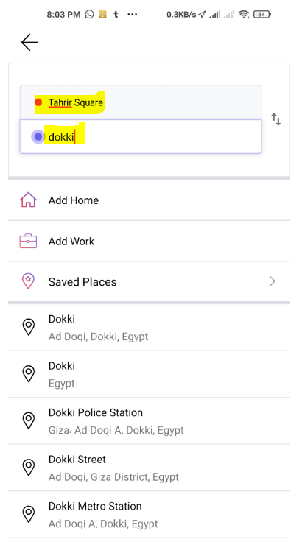 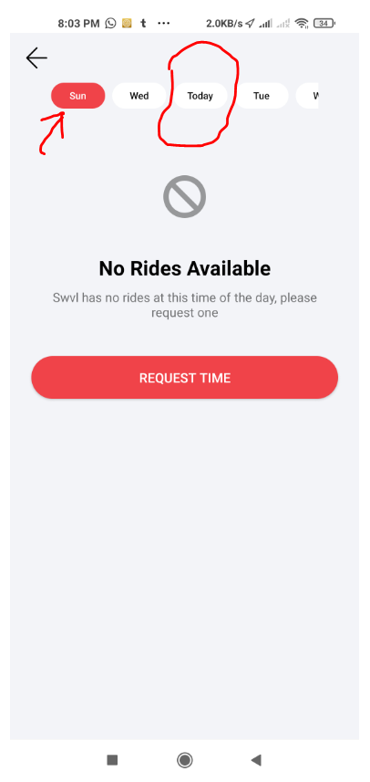 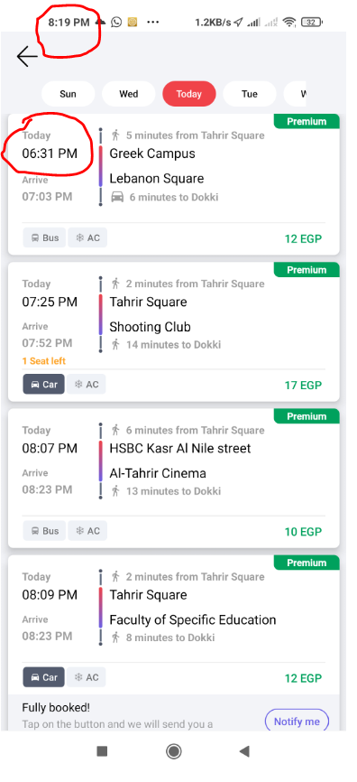 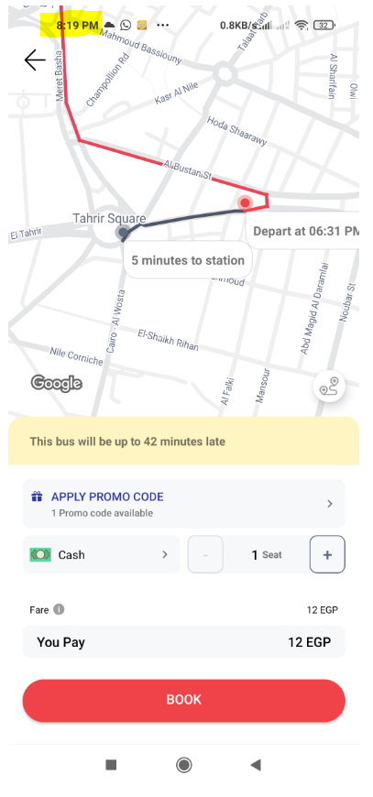 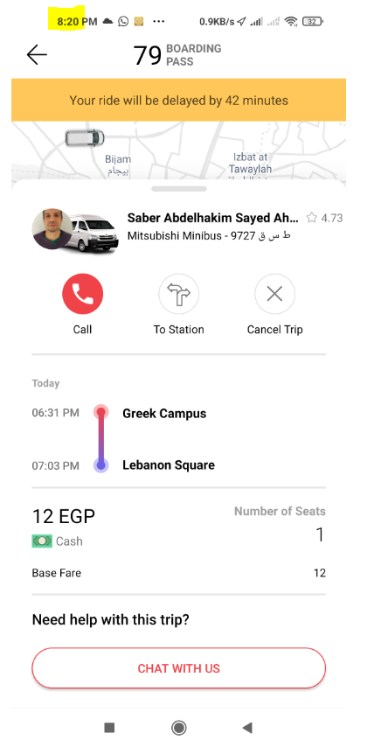

 | 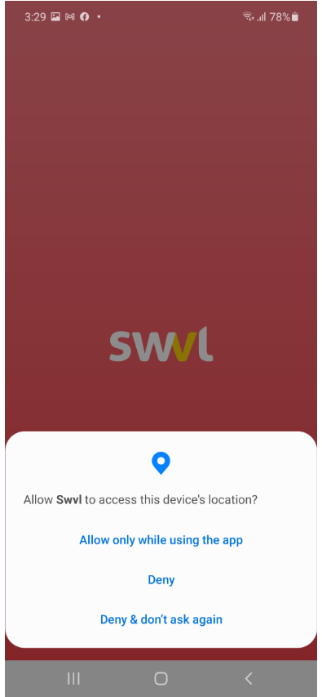 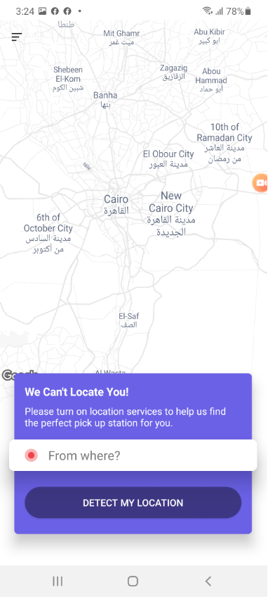 |  | 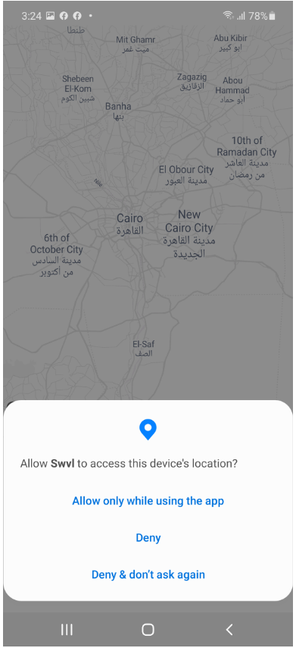 | 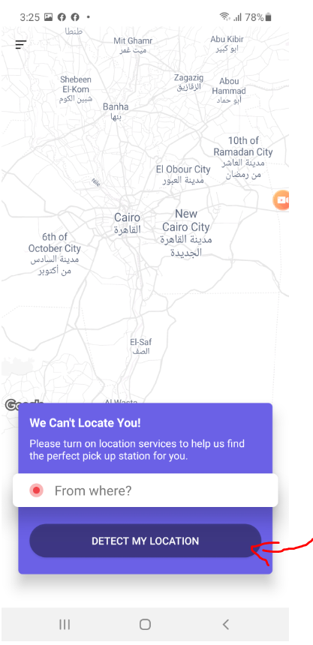

Bug_2
Bug ID |  | TC ID | TC_Login_with_Facebook_02
Bug Summary | Email is copied from user Facebook account when new user login with "Facebook", although user turned off email sharing | Bug Status | Open
Bug Severity | High | Bug Priority | To be decided by the business analyst

S # | Test Environment:
1 | Android device(Android version:10)
2 | App Build (Production Build: V6.11.0 )

S # | Prerequisites:
1 | User is a fresh user
2 | "Swvl" Permissions are not set on user's Facebook account
3 | "Facebook" App is installed on the testing device
4 | User is logged in to "Facebook" App

Step # | Step Detail: |  | Expected Results | Actual Results
1 | Open “Swvl” App and accept "Device location" Permission |  | *Permission should be accepted * User should land on "Login screen" with 2 option: 1- Enter phone number 2- Connect with social (Facebook/ Google) | As Expected
2 | Choose "Facebook" under "Connect with social" section |  | * SWVL "Privacy Policy "should be shown to the user | As Expected
3 | Click "Edit This" from * SWVL "Privacy Policy " |  | * User should be navigated to the screen where he can review/change the info he provides from Facebook to Swvl | As Expected
4 | Turn off "Email address" Toggle |  | *Sharing "Email address" permission should be turned off | As Expected
5 | Click "Continue as "Username" " CTA |  | *User should successfully log in to Swvl with his Facebook account without sharing his email address, and should be navigated to Swvl "Home page" | As Expected
6 | Open the sub menu from "Home page" |  | * Menu should open successfully | As Expected
7 | Navigate to "Settings" |  | * "Settings" screen should open showing all user information | As Expected
8 | Check "Email" field |  | * "Email" field should hold no value | "Email" field holds the email value from user's facebook account

Screenshot
 | 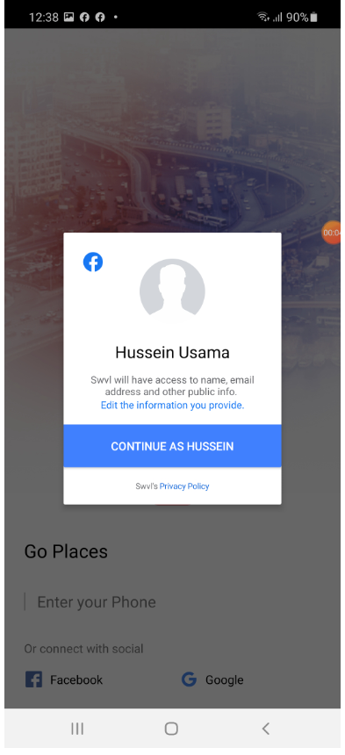 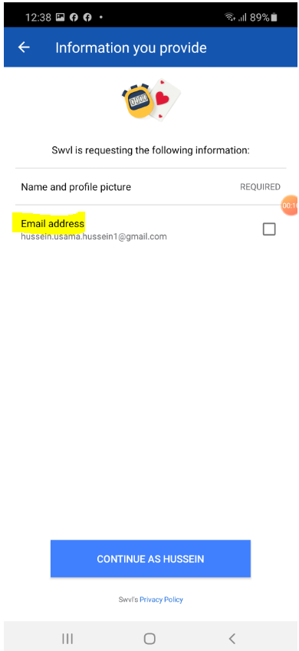 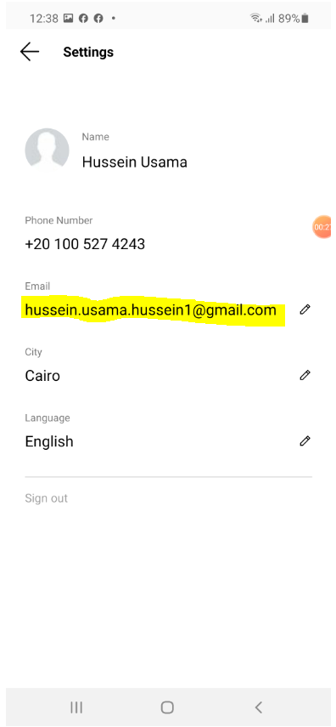

Bug_3
Bug ID |  | TC ID
Bug Summary | User can update his email with invalid email format | Bug Status | Open
Bug Severity | Medium | Bug Priority | To be decided by the business analyst

S # | Test Environment:
1 | Android device(Android version:10)
2 | App Build (Production Build: V6.11.0 )

S # | Prerequisites:
1 | User have Swvl account holds an email value
2 | User is logged in to "Swvl" App

Step # | Step Detail: |  | Expected Results | Actual Results
1 | Open “Swvl” App |  | * User should land on Swvl "Home page" | As Expected
2 | Open the sub menu from "Home page" |  | * Menu should open successfully | As Expected
3 | Navigate to "Settings" |  | * "Settings" screen should open showing all user information | As Expected
4 | Update "Email" field with an invalid value (e.g. hussein.usama.hussein1@gmail.v) |  | * Invalid email format should not be accepted *An error message should be shown to the user to indicate that this is an invalid email format | "Email" field is updated with the invalid value

Screenshot
 | 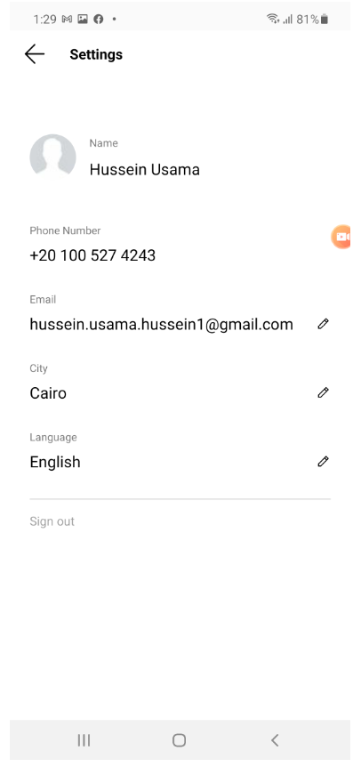 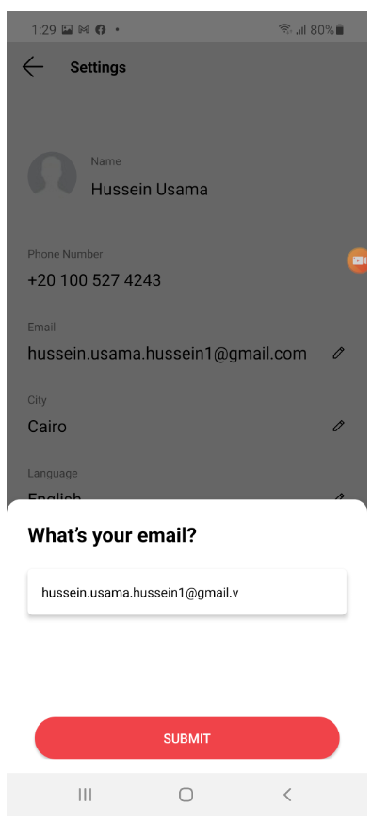 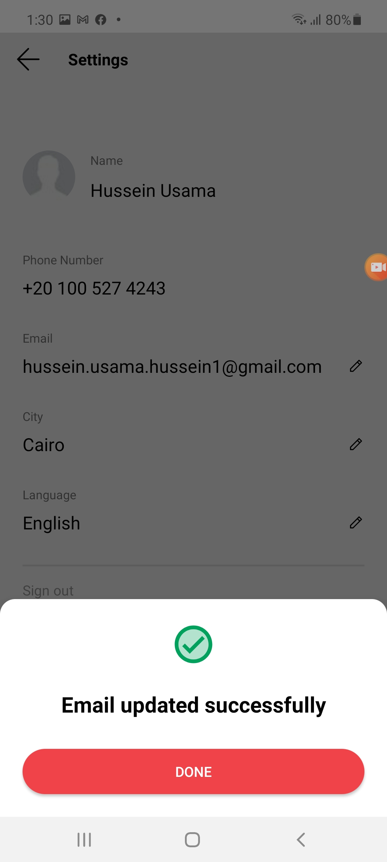 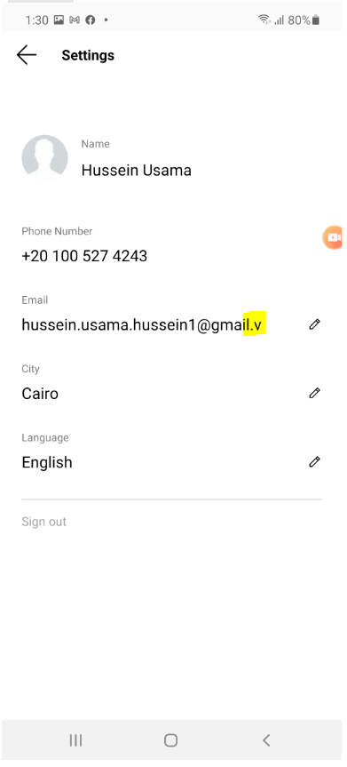

Bug_4
Bug ID |  | TC ID
Bug Summary | "View all messages" under Help history is not reflecting the existing messages history | Bug Status | Open
Bug Severity | Medium | Bug Priority | To be decided by the business anallyst

S # | Test Environment: |  | Note: This bug is based on the assumption that "View all messages" should hold the chat history as this the only way user can contact any of Swvl's team
1 | Android device(Android version:10)
2 | App Build (Production Build: V6.11.0 )

S # | Prerequisites:
1 | User is logged in to "Swvl" App
2 | User have chatting history

Step # | Step Detail: |  | Expected Results | Actual Results
1 | Open “Swvl” App |  | * User should land on Swvl "Home page" | As Expected
2 | Open the sub menu from "Home page" |  | * Menu should open successfully | As Expected
3 | Navigate to "Help" |  | * "Help" screen should open | As Expected
4 | Click "View All Messages" under "Help History" section |  | * " Messages" page should open * Page should reflect User's chat history with any of Swvl's team | "There's no messages yet!" is shown to the user although user have chatting history

Screenshot
 | 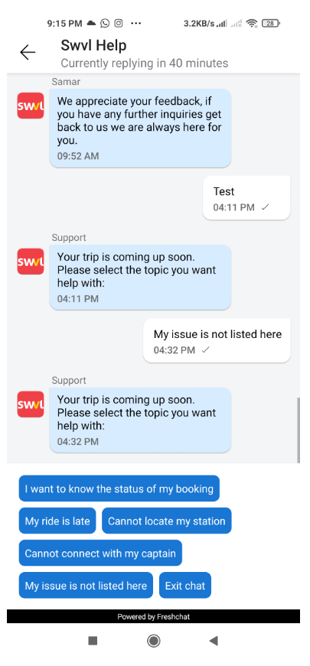 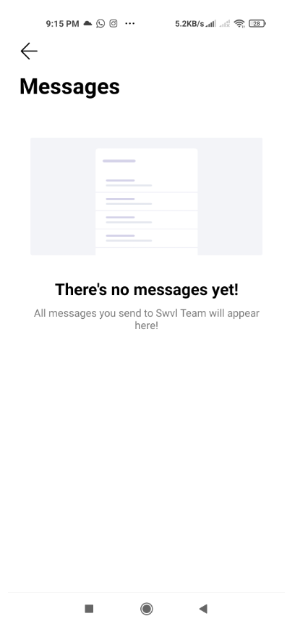

Bug_5
Bug ID |  | TC ID | TC_Login_with_Facebook_02
Bug Summary | "Detect my location" button should be dimmed or removed after user selects "Deny &Don't ask again" to "Device's location" permission | Bug Status | Open
Bug Severity | low_Enhancement Bug | Bug Priority | To be decided by the business analyst

S # | Test Environment:
1 | Android device(Android version:10)
2 | App Build (Production Build: V6.11.0 )

S # | Prerequisites:
1 | Location Permission is turned off from the device for "Swvl"
2 | User is logged in to "Swvl" App

Step # | Step Detail: |  | Expected Results | Actual Results
1 | Open “Swvl” App |  | * App should open successfully * "Device location" Permission should be shown with 3 option: 1- Allow only while using the app 2- Deny 3- Deny& Don't ask again | As Expected
2 | Choose "Deny" to "Device location" Permission |  | * User should land on Swvl "Home page" | As Expected
3 | Check "Home" screen |  | * "We can't locate you!" message should be shown with * "Detect my location" CTA on active State | As Expected
4 | Click "Detect my location" CTA |  | *Button should be clickable * Clicking Button should fire"Device location" Permission pop up with 3 option: 1- Allow only while using the app 2- Deny 3- Deny& Don't ask again | As Expected
5 | Choose "Deny & Don't ask again" to "Device location" Permission |  | * Option should be Clickable * User should land on Swvl "Home page" | As Expected
6 | Check "Home" screen |  | * "We can't locate you!" message should be shown * "Detect my location" CTA should be dimmed or Removed | * "We can't locate you!" message is shown * "Detect my location" CTA should is shown and not dimmed

Screenshot

 | 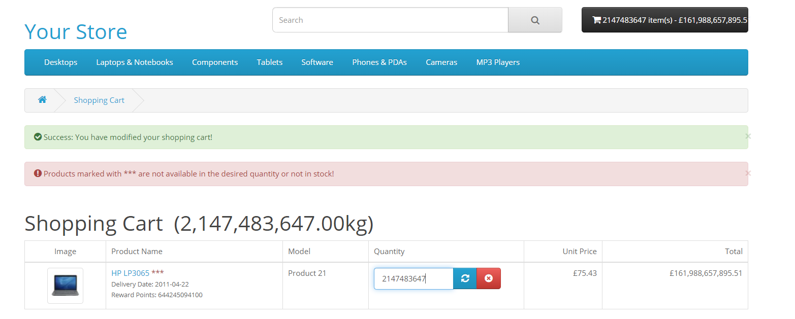

Bug_6
Bug ID |  | TC-ID
Bug Summary | The dot next to "Whre to?" text when setting home or work address is not centered inside the text box | Bug Status | Open
Bug Severity | low | Bug Priority | To be decided by the business analyst

S # | Test Environment:
1 | Android device(Android version:10)
2 | App Build (Production Build: V6.11.0 )

S # | Prerequisites:
1 | User is logged in to "Swvl" App
2 | User has not set work/home location before

Step # | Step Detail: |  | Expected Results | Actual Results
1 | Open “Swvl” App |  | * User should land on Swvl "Home page" | As Expected
2 | Click "Add Home" |  | * Setting home location screen should be shown *Screen content should be : - "Where to" input field successfully with the correct content and the correct UI - "set location on map" link | The dot next to "Whre to?" text when setting home or work address is not centered inside the text box

Screenshot
 | 